Indices

 | Iraq Stock Exchange
 | Bulletin No (33)
 | ISX Trading Indices of Thursday 19/2/2026

 | Traded Volume and OTC |  | 634,041,892 |  | Traded Value and OTC |  | 740,957,261 |  | Traders | 746

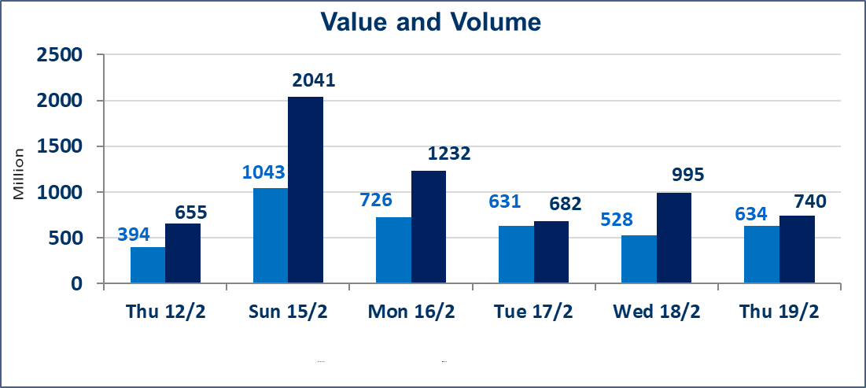
 | ISX Index 60 |  |  | 966.09 | ISX Index 15 |  |  | 1268.48
 | Previous ISX Index60 |  |  | 961.93 | Previous ISX Index15 |  |  | 1268.31
 | Change % |  |  | 0.43 | Change % |  |  | 0.01
 | Change |  |  | 4.16 | Change |  |  | 0.17

 | Listed Companies | 104 | OTC | 14 | Non Traded listed | 40 | OTC | 14
 | Traded Listed Companies | 54 | OTC | 0 | Higher Companies |  |  | 6
 | GAM Companies |  |  | 0 | Lower Companies |  |  | 11
 | Suspended Companies |  |  | 10
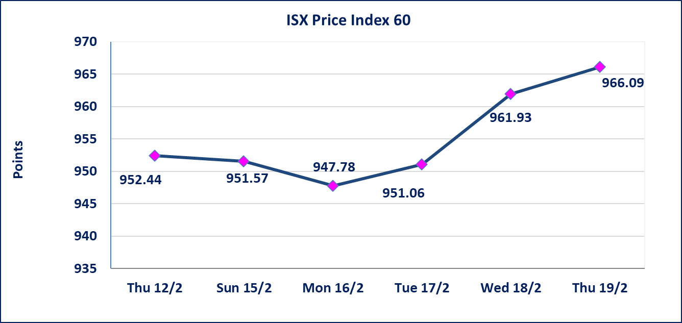
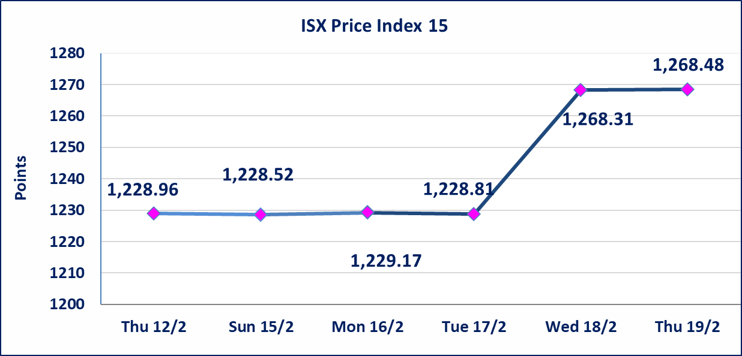

Al-Alwiya P.O . 3607 Mobile: 07711211522 - 07270094594 - 07834000034 E-mail: info-isx@isx-iq.net Web site:www.isx-iq.net

Top 5
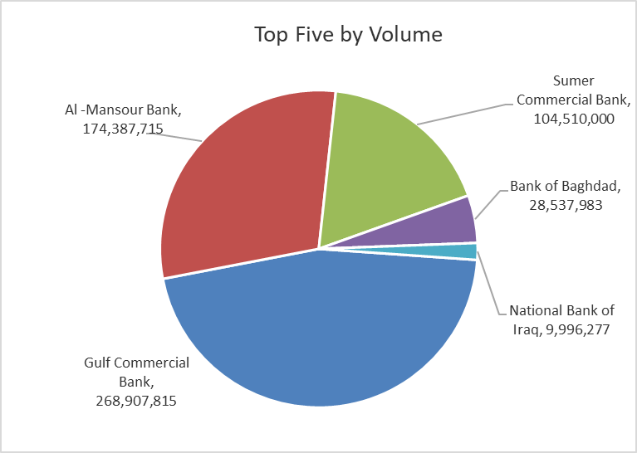
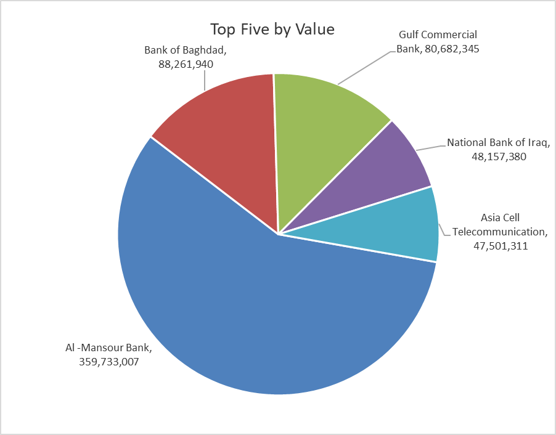

ISX top ganing and losing companies
Thursday 19/2/2026
 | Gainers |  |  |  | Losers
 | Company Name | Closing Price | Change (%) | Traded Volume | Company Name | Closing Price | Change (%) | Traded Volume
 | Rehab Karbalaa | 0.690 | 15.00 | 10,000 | Modern Construction Materials | 1.580 | -4.82 | 28,581
 | Al-Ameen Estate Investment | 1.900 | 2.70 | 71,000 | Iraqi Carton Manufactories | 2.040 | -4.67 | 223,580
 | Bank of Baghdad | 3.110 | 2.30 | 28,537,983 | Iraqi Date Processing and Marketing | 2.500 | -3.85 | 376,425
 | Dar Al-Salam for Insurance | 0.700 | 1.45 | 1,420 | Gulf Commercial Bank | 0.300 | -3.23 | 268,907,815
 | Ishtar Hotels | 9.000 | 1.12 | 752,718 | Al-Mansour Pharmaceuticals Industries | 2.050 | -1.91 | 2,005,217
 | The most active companies in term of traded volume and value

 | Traded Volume |  |  |  | Traded Value
 | Company Name | Closing Price | Change (%) | Traded Volume | Company Name | Closing Price | Change (%) | Traded Value
 | Gulf Commercial Bank | 0.300 | -3.23 | 268,907,815 | Al -Mansour Bank | 2.060 | 0.00 | 359,733,007
 | Al -Mansour Bank | 2.060 | 0.00 | 174,387,715 | Bank of Baghdad | 3.110 | 2.30 | 88,261,940
 | Sumer Commercial Bank | 0.130 | 0.00 | 104,510,000 | Gulf Commercial Bank | 0.300 | -3.23 | 80,682,345
 | Bank of Baghdad | 3.110 | 2.30 | 28,537,983 | National Bank of Iraq | 4.800 | -1.44 | 48,157,380
 | National Bank of Iraq | 4.800 | -1.44 | 9,996,277 | Asia Cell Telecommunication | 15.000 | 0.00 | 47,501,311

Non Iraqi

Iraq Stock Exchange
Non Iraqis' Bulletin Thursday Feb 19 2026
Regular Market

Non Iraqi Trading of Regular Market (Buy)
Company Names | Code | No.of trades | Traded Shares | Trading Volume
Banks Sector
National Bank Of Iraq | BNOI | 3 | 2,691,150 | 12,917,520
Gulf Commercial Bank | BGUC | 9 | 40,000,000 | 12,000,000
Total Bank sector |  | 12 | 42,691,150 | 24,917,520
Grand Total |  | 12 | 42,691,150 | 24,917,520

Non Iraqi Trading of Regular Market (Sell)
Company Names | Code | No.of trades | Traded Shares | Trading Volume
Banks Sector
Al-Mansour Bank | BMNS | 45 | 29,163,246 | 60,367,919
Total Bank sector |  | 45 | 29,163,246 | 60,367,919
Grand Total |  | 45 | 29,163,246 | 60,367,919

Not Trading Bonds

Iraq Stock Exchange
Thursday 19/2/2026
Not Trading Bonds Bulletin
Bond type | Publish type | Code | last trading price | immortilize date
Banaa Bonds /Million ID | Second | CB20 | 964,981 | 19/12/2025
Eamar Bonds /Million ID | First | CB30 | 1,001,095 | ــــــــــــــــ
Eamar Bonds /Million ID | Second | CB40 | ــــــــــــــــ | ــــــــــــــــ
Eamar Bonds /500 Thousand ID | Third | CB45 | ــــــــــــــــ | ــــــــــــــــ
Eamar Bonds /Million ID | Third | CB50 | ــــــــــــــــ | ــــــــــــــــ
Injaz Bonds /500 Thousand ID | First | CB55 | ــــــــــــــــ | ــــــــــــــــ
Injaz Bonds /Million ID | First | CB60 | ــــــــــــــــ | ــــــــــــــــ
Injaz Bonds /Million ID | Second | CB70 | 1,026,082 | ــــــــــــــــ
Injaz Bonds /500 Thousand ID | Third | CB75 | ــــــــــــــــ | ــــــــــــــــ
Injaz Bonds /Million ID | Third | CB80 | 978,182 | ــــــــــــــــ
National Bonds/Million ID | First | CB90 | ــــــــــــــــ | ــــــــــــــــ
National Bonds/500 Thousand ID | Second | CB95 | ــــــــــــــــ | ــــــــــــــــ
National Bonds/Million ID | Second | CB100 | ــــــــــــــــ | ــــــــــــــــ

